Read me
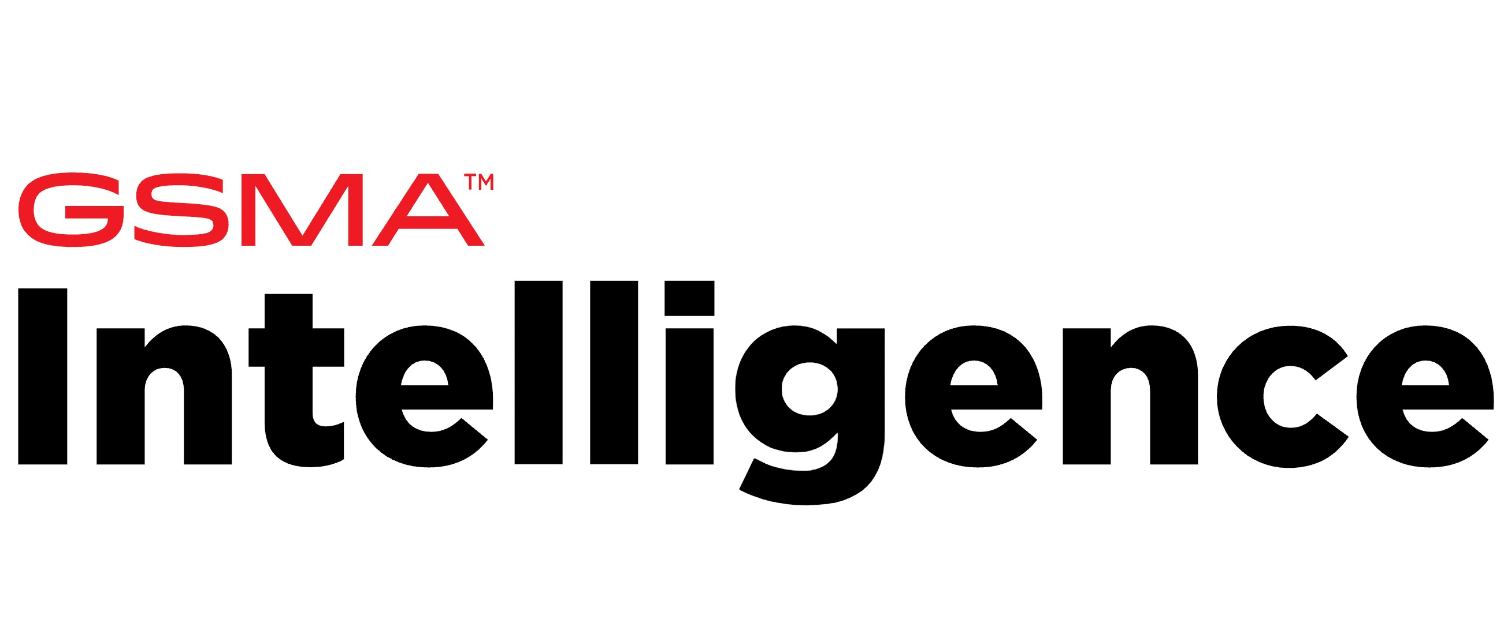

5G CONNECTIVITY INDEX

Date: February 2026 | Version: 1.0

INTRODUCTION
GSMA Intelligence has launched the 5G Connectivity Index to help enable increased 5G mobile network coverage, adoption, and usage. It currently measures the performance of 46 countries against the key outcomes for 5G infrastructure and services. The Index provides a data-driven approach for decision-making, enables comparative analysis between countries and encourages universal access to 5G connectivity.

The index consists of two 'categories' each with three 'pillars'. Each level is scored between 0 and 100, with a higher score indicating a more enabling environment for delivering 5G mobile internet connectivity.

Index: A single composite indicator to measure a country's enabling environment for 5G mobile internet connectivity.
Categories: Two categories, which are aggregated to produce the overall index score.
Pillars: Six pillars, which are aggregated to produce the two categories scores.
Indicators: 18 indicators, which are aggregated to produce the six pillar scores.
Sub-indicators: Seventeen sub-indicators are aggregated to produce five indicators, namely 5G Coverage, 5G standalone, Mobile AI Readiness, Quality of Experience and 5G Data Affordability.

DATA

The 'Data' tab provides a list of pillars that are included in the 5G Connectivity Index, along with the weightings that have been used to aggregate into categories and the categories into an overall index score

INDEX SCORES

The 'Index Scores' tab presents Index, Category and Pillar for 46 countries between 2023 and 2025Q3. To ensure uniform units of measurement, all indicators have been normalized to a range of 0 to 100. In cases where data for indicators originated from third parties, GSMA Intelligence exclusively handled all data treatment, imputation of missing values, and normalization.

CONTACT

If you would like to provide feedback or if you have any questions, please contact info@gsmaintelligence.com

ABOUT GSMA

The GSMA is a global organisation unifying the mobile ecosystem to discover, develop and deliver innovation foundational to positive business environments and societal change. Our vision is to unlock the full power of connectivity so that people, industry, and society thrive. Representing mobile operators and organisations across the mobile ecosystem and adjacent industries, the GSMA delivers for its members across three broad pillars: Connectivity for Good, Industry Services and Solutions, and Outreach. This activity includes advancing policy, tackling today’s biggest societal challenges, underpinning the technology and interoperability that make mobile work, and providing the world’s largest platform to convene the mobile ecosystem at the MWC and M360 series of events.

ABOUT GSMA INTELLIGENCE

GSMA Intelligence is the definitive source of global mobile operator data, analysis and forecasts, and publisher of authoritative industry reports and research. Our data covers every operator group, network and MVNO in every country worldwide — from Afghanistan to Zimbabwe. It is the most accurate and complete set of industry metrics available, comprising tens of millions of individual data points, updated daily. GSMA Intelligence is relied on by leading operators, vendors, regulators, financial institutions and third-party industry players, to support strategic decision-making and long-term investment planning. The data is used as an industry reference point and is frequently cited by the media and by the industry itself. Our team of analysts and experts produce regular thought-leading research reports across a range of industry topics.

